Tabelle2
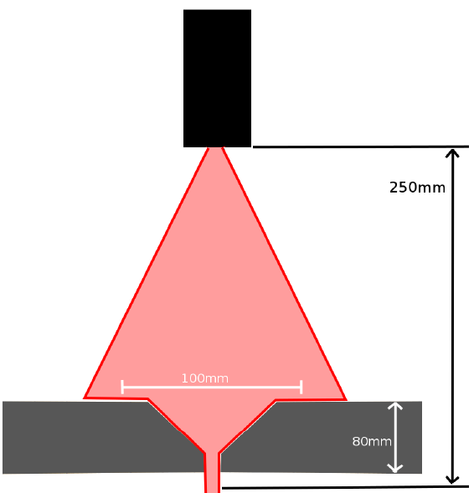
 | Adress (2-digits):
Title | Payload
RS485 Unlock | W010;0; | :01W010;0;E9C3
RS485 Lock | W010;1; | :01W010;1;79C2

Set 'Streaming mode' -> On(1) | W044;1;
Set 'Streaming mode' -> Off(0) | W044;0;
Set 'Trigger mode' -> single shot trigger | W018;1;
Set 'Trigger mode' -> run while low | W018;0;
Factory Reset | W202;0;
Store settings to active | W201;0;
Store settings config 1 | W201;1;
Store settings config 2 | W201;2;
Store settings config 3 | W201;3;
Load settings config 1 | W200;1;
Load settings config 2 | W200;2;
Load settings config 3 | W200;3;
Read settings config 1 | R203;
Read settings config 2 | R204;
Read settings config 3 | R205;
Read active config | R206;
Read Error | R000;
Laser OFF | W034;1;
Laser ON | W034;0;
Read Laser ON/OFF state | R034;
Read_RS485Lock | R010;
Read_VendorInfo | R001;
Read_DeviceInfo | R002;
Read_Address | R005;
Read_Baudrate | R006;
Write_Baudrate -> 57600 | W006;1;
Write_Baudrate -> 115200 | W006;2;
Write_Baudrate -> 921600 | W006;3;
Write_Baudrate -> 1500000 | W006;6;
Get MeasType | R020;
Get 'Analog Out Config' | R041;
Set 'Analog Out Config' to 'Current','POS Scope' | W041;0;0;
Set 'Analog OutConfig' to 'Voltage','NEG Scope' | W041;1;1;
Set 'Analog OutConfig' to 'Voltage','POS Scope' | W041;1;0;
Get 'Analog Out Scale' | R042;
Set 'Analog Out Scale' -> Near:50 - Far:250 | W042;50.000;250.000;
Set 'Analog Out Scale to MAX' | W043;1;
Get 'Digital Out Config' | R040;
Set 'Digital Out Config' -> Switchpoint1:48.989 Switchpoint2:150.000 Window:1 Invert Polarity:1 | W040;48.989;150.000;0;1;
Set Precision to Standard | W033;0;
Set Precision to High | W033;1;
Set Precision to Very High | W033;2;
Set Precision to Highest | W033;3;
Read Single Measurment Value | R021;
Write DiagMode -> 1 | W050;1;
Write DiagMode -> 0 | W050;0;
Read LiveMonitor | R054;
Reactivate outputs | W011;1;
Set 'Object type' -> dark | W032;1;
Set 'Object type' -> bright | W032;0;
Get 'Trigger mode' | R018;
Get 'Streaming mode' | R044;
Diagnose data | R253;

Get Profile | R052;

Field of view | R30;

